Sheet1
EZ getting on GL period checking and daily rates

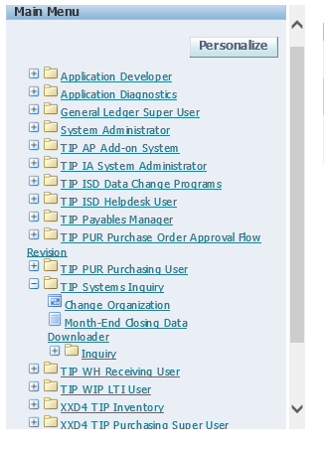

 | click on month end closing data downloader

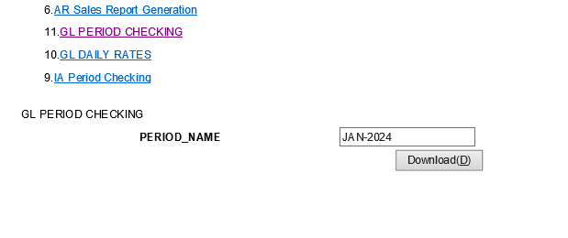

 |  | FIRST SET UP OF SIR BUBOY IN GL PERIOD CHECKING

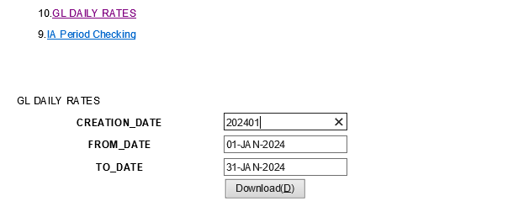

 |  | FIRST SET UP OFSIR BUBOY IN DAILY RATES

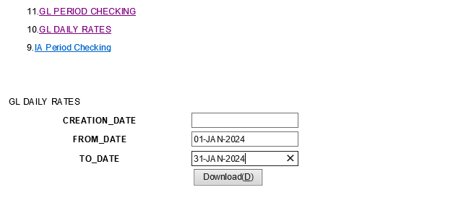

 |  | ON SECOND SET-UP OF SIR BUBOY IN DAILY RATES

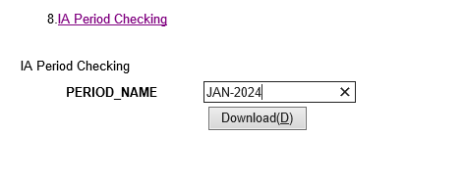

 |  | IA PERIOD CHECKING

